Datos
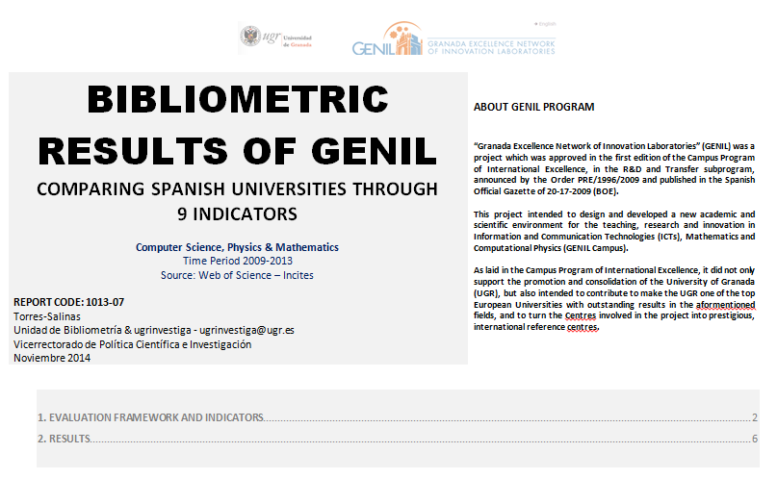
Este dataset completementa al informe | Bibliometric Results of GENIL: Comparing spanish universities through 9 indicators
Url del Informe | http://uniweb.ugr.es/ugrinvestiga/pages/doc_ugrcifras/bibliometricresultsofgenilcode101307/!

